Periodic RAW
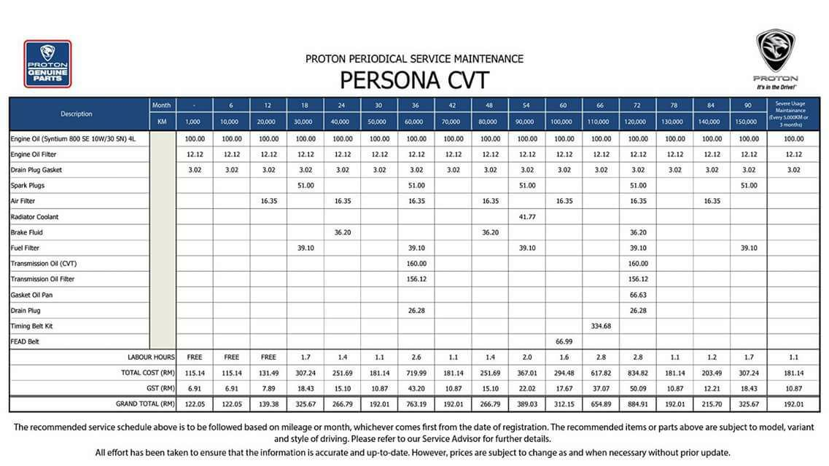

 |  |  |  |  |  |  |  |  |  |  |  |  | 78 month / 130k | before 9/6/2023 |  | done wheel alignment @ 80840
 |  |  |  |  |  |  |  |  |  |  |  |  | 2023-08-22 |  |  | Change tyre at 88800 km
 |  |  |  |  |  |  |  |  |  |  |  |  | 84 month / 140k | on 14/10/2023
 |  |  |  |  |  |  |  |  |  |  |  |  | 90 month / 150k | before 11/04/2024 or mileage 100,388km

KM | Month | N | Engine Oil | Engine Oil filter | Drain Plug Gasket | Spark Plug | Air Filter | Radiator Coolant | Brake Fluite | Fuel Filter | Transmission oil (CVT) | Transmission oil filter | Gasket Oil Pan | Drain Plug | Timing Belt kit | FEAD belt
1000 | 1 | 1 | 1 | 1 | 1
10000 | 6 | 2 | 1 | 1 | 1
20000 | 12 | 3 | 1 | 1 | 1 |  | 1
30000 | 18 | 4 | 1 | 1 | 1 | 1 |  |  |  | 1
40000 | 24 | 5 | 1 | 1 | 1 |  | 1 |  | 1
50000 | 30 | 6 | 1 | 1 | 1
60000 | 36 | 7 | 1 | 1 | 1 | 1 | 1 |  |  | 1 | 1 | 1 |  | 1
70000 | 42 | 8 | 1 | 1 | 1
80000 | 48 | 9 | 1 | 1 | 1 |  | 1 |  | 1
90000 | 54 | 10 | 1 | 1 | 1 | 1 |  | 1 |  | 1
100000 | 60 | 11 | 1 | 1 | 1 |  | 1 |  |  |  |  |  |  |  |  | 1
110000 | 66 | 12 | 1 | 1 | 1 |  |  |  |  |  |  |  |  |  | 1
120000 | 72 | 13 | 1 | 1 | 1 | 1 | 1 |  | 1 | 1 | 1 | 1 | 1 | 1
130000 | 78 | 14 | 1 | 1 | 1
140000 | 84 | 15 | 1 | 1 | 1 |  | 1
150000 | 90 | 16 | 1 | 1 | 1 | 1 |  |  |  | 1

